Enable Macros
INSTRUCTIONS

 | Enable Macros:
 | To ensure proper working of this Excel file,
 | EXCEL 97 to 2003
 | If Security Warning window is displayed with the message "contains macros by Winman Software Private Limited", then
 | Click here for solution.

 | EXCEL 2007 onwards
 | 1. While exporting format to Excel, if the following error message is displayed then,
 | "This workbook has lost its VBA project, ActiveX controls and any other programmability-related features"
 | Click here for solution.
 | 2. If 'Security Warning' with the message "Some active content has been disabled" is displayed, then
 | Excel 2007: Click here for solution
 | Excel 2010: Click here for solution

 | END of Instructions

 | Security Warning - Excel 97-2003

 | 1. The following 'Security Warning' appears

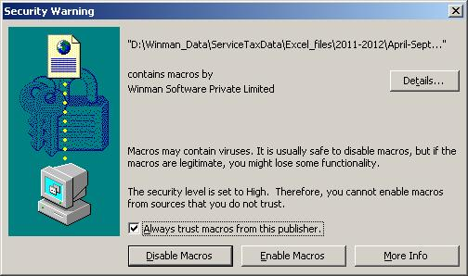

 | 2. In the above window, select the check box "Always trust macros from this source."
 | 3. Click on 'Enable Macros' button
 |  | Back to Main Instructions

 | Macro Installation procedure in Excel 2007 and later versions
 | If "Visual Basic for Application" which is essential for running macros was not installed at the time of the installation of MS Office 2007/2010, the following error appears while opening the Excel file.

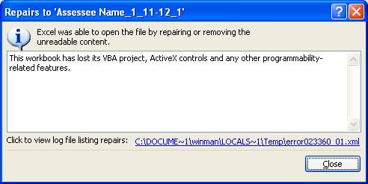

 | To solve this problem;
 | 1. Close all Excel files.
 | 2. Go to the Control Panel --> go to "Add or Remove Programs" in Windows XP or "Programs and Features" in Windows Vista/windows 7.
 | 3. Select Microsoft Office in the list and click on the 'Change' button.
 | 4. Select "Add or Remove Features"

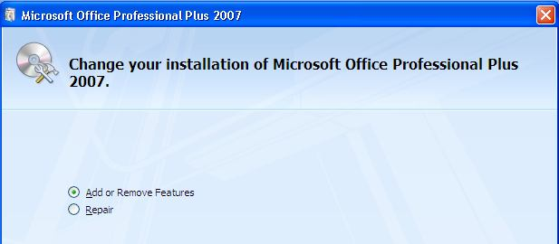

 | 5. Select "Visual Basic for Applications" in the "Office Shared Features" list and set it to "Run from My Computer". Then, click on the continue button at the bottom.

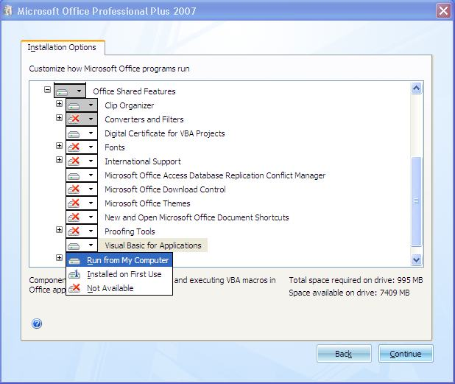

 | 6. Now, Excel Macros can run in your computer.
 |  | Back to Main Instructions

 | Security Warning - Excel 2007

 | 1. The following 'Security Warning' appears

 | 2. Now, click on 'Options…' button. The following window will be displayed.
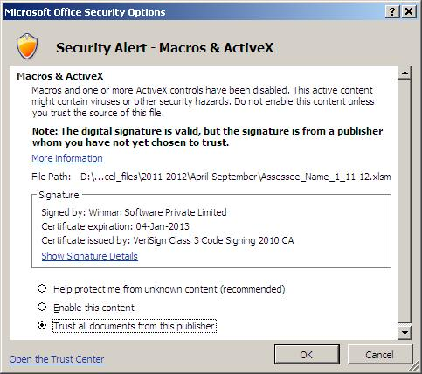

 | 3. Select the last item 'Trust all documents from this publisher'.
 | 4. Click on 'OK'.
 |  | Back to Main Instructions

 | Security Warning - Excel 2010

 | 1. The following 'Security Warning' appears

 | 2. Click on 'Click for more details'. The following window will be displayed.

 | 3. Click on 'Enable Content' and then 'Advanced Options'. The following window will be displayed.

 | 4. Select the last item 'Trust all documents from this publisher'.
 | 5. Click on 'OK'.

 |  | Back to Main Instructions

